Table 3
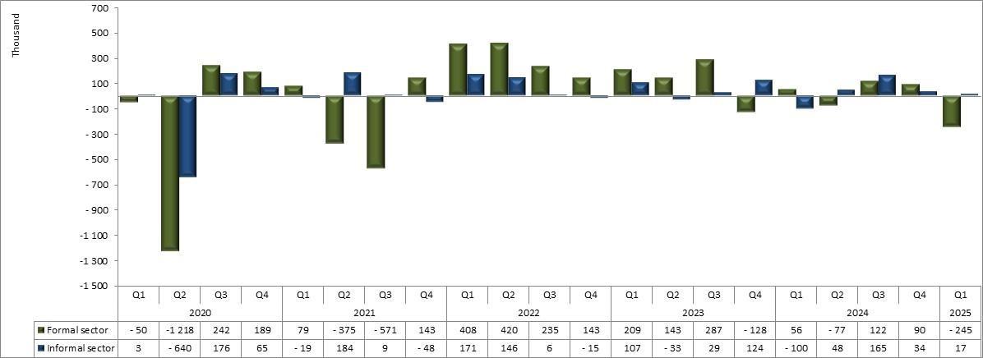
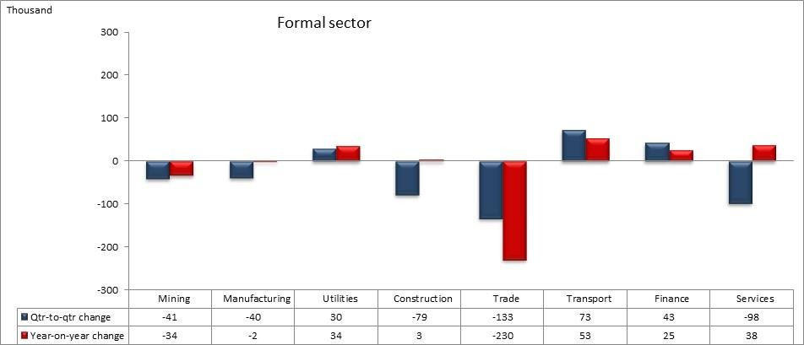

Figure 1: Quarter-to-quarter changes in employment, Q1: 2020 to Q1: 2025
Figure 1 shows that, following an increase of 132 000 in the previous quarter, employment decreased by 291 000 in the first quarter of 2025. As depicted in Figure 1, employment has been increasing in the first quarter of each year since 2022, except for the decrease observed in 2025.
Table B: Employment by industry
 | Jan-Mar 2024 | Oct-Dec 2024 | Jan-Mar 2025 | Qtr-to- qtr change | Year-on- year change | Qtr-to- qtr change | Year-on- year change
Industry | Thousand |  |  |  |  | Per cent
Total* | 16,745 | 17,078 | 16,787 | -291 | 43 | -1.7 | 0.3
Agriculture | 941 | 924 | 930 | 6 | -11 | 0.7 | -1.2
Mining | 454 | 466 | 431 | -35 | -24 | -7.5 | -5.2
Manufacturing | 1,606 | 1,675 | 1,677 | 2 | 71 | 0.1 | 4.4
Utilities | 105 | 111 | 145 | 35 | 40 | 31.6 | 38.1
Construction | 1,215 | 1,359 | 1,240 | -119 | 25 | -8.8 | 2.0
Trade | 3,471 | 3,421 | 3,228 | -194 | -244 | -5.7 | -7.0
Transport | 1,062 | 1,064 | 1,131 | 67 | 69 | 6.3 | 6.5
Finance | 2,914 | 2,948 | 3,008 | 60 | 94 | 2.0 | 3.2
Community and social services | 3,791 | 3,959 | 3,914 | -45 | 123 | -1.1 | 3.2
Private households | 1,178 | 1,146 | 1,078 | -68 | -100 | -6.0 | -8.5
*Note: Total includes ‘Other’ industries. Due to rounding, numbers do not necessarily add up to totals. Note: Utilities refer to electricity, gas and water supply. Trade refers to wholesale and retail trade; repair of motor vehicles, motorcycles and personal and household goods; hotels and restaurants. Finance refers to financial intermediation, insurance, real estate and business services.
Table B shows that between Q4: 2024 and Q1: 2025, the number of employed persons decreased in five of the ten industries. The decreases in employment were recorded in the Trade (194 000), followed by Construction (119 000), Private households (68 000), Community and social services (45 000) and Mining (35 000) industries. The largest increases in employment were recorded in Transport (67 000), followed by Finance (60 000) and Utilities (35 000) industries.
Compared with the same period last year, a net increase of 43 000 in total employment in Q1: 2025 was largely due to increases in the number of people employed in the Community and social services (123 000), Finance (94 000), Manufacturing (71 000) and Transport (69 000) industries. The industries that recorded decreases were Trade (244 000), Private households (100 000), Mining (24 000) and Agriculture (11 000).
Figure 2: Quarter-to-quarter employment changes in the formal and informal sectors, Q1: 2020 to Q1: 2025
Employment in the formal sector decreased by 245 000 in Q1: 2025 compared with Q4: 2024. Following an increase of 34 000 in Q4: 2024, informal sector employment increased by 17 000 in Q1: 2025.
Figure 3: Quarter-to-quarter and year-on-year changes in the formal sector by industry
Note: Utilities refer to electricity, gas and water supply. Trade refers to wholesale and retail trade; repair of motor vehicles, motorcycles and personal and household goods; hotels and restaurants. Finance refers to financial intermediation, insurance, real estate and business services. Services refers to community, personal and social services.
The first quarter of 2025 recorded formal sector employment decreases in the Trade (133 000), Community and social services (98 000), Construction (79 000), Mining (41 000) and Manufacturing (40 000) industries compared with the fourth quarter of 2024. During the same period, increases in the formal sector employment were recorded in Transport (73 000), Finance (43 000) and Utilities (30 000).

Table 4
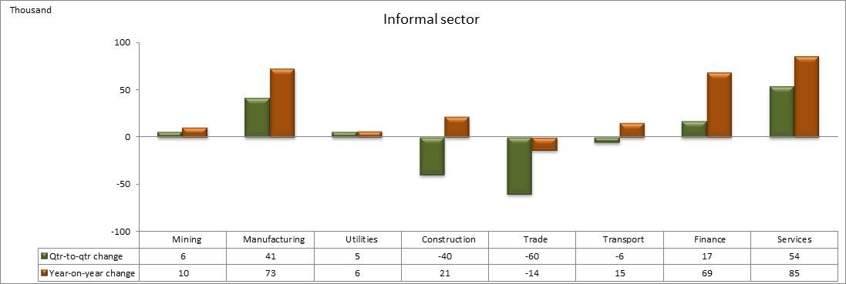
Compared with a year ago, a net loss of 110 000 jobs in the formal sector employment was mainly driven by Trade (230 000) and Mining (34 000) industries in Q1: 2025. Employment gains were observed in Transport (53 000), Community and social services (38 000), Utilities (34 000), Finance (25 000) and Construction (3 000) industries during the same period.
Figure 4: Quarter-to-quarter and year-on-year changes in the informal sector by industry
Note: Utilities refer to electricity, gas and water supply. Trade refers to wholesale and retail trade; repair of motor vehicles, motorcycles and personal and household goods; hotels and restaurants. Finance refers to financial intermediation, insurance, real estate and business services. Services refers to community, personal and social services.
In the first quarter of 2025, informal sector employment increased by 17 000 persons compared with the previous quarter. Gains in the informal sector employment were mainly driven by the Community and social services (54 000), Manufacturing (41 000) and Finance (17 000) industries. Compared with Q1: 2024, the employment increase in the informal sector was mainly driven by Community and social services (85 000), Manufacturing (73 000) and Finance (69 000) industries. Employment loss was recorded in the Trade (14 000) industry during the same period.
Table C: Employment by occupation
Occupation | Jan-Mar 2024 | Oct-Dec 2024 | Jan-Mar 2025 | Qtr-to-qtr change | Year-on- year change | Qtr-to-qtr change | Year-on- year change
 | Thousand |  |  |  |  | Per cent
Total* | 16,745 | 17,078 | 16,787 | -291 | 43 | -1.7 | 0.3
Manager | 1,303 | 1,496 | 1,430 | -65 | 127 | -4.4 | 9.7
Professional | 1,229 | 869 | 980 | 111 | -249 | 12.8 | -20.3
Technician | 1,590 | 1,398 | 1,503 | 105 | -87 | 7.5 | -5.5
Clerk | 1,808 | 1,897 | 1,854 | -43 | 46 | -2.3 | 2.5
Sales and services | 2,746 | 2,949 | 2,929 | -20 | 183 | -0.7 | 6.7
Skilled agriculture | 94 | 71 | 62 | -10 | -32 | -13.4 | -34.2
Craft and related trade | 1,693 | 1,932 | 1,862 | -70 | 169 | -3.6 | 10.0
Plant and machine operator | 1,568 | 1,389 | 1,386 | -4 | -182 | -0.3 | -11.6
Elementary | 3,845 | 4,215 | 3,964 | -251 | 119 | -5.9 | 3.1
Domestic worker | 869 | 861 | 818 | -43 | -51 | -5.0 | -5.8
*Note: Total includes ‘Other’ occupations. Due to rounding, numbers do not necessarily add up to totals.
Eight out of the ten occupational categories recorded employment losses in Q1: 2025 compared with Q4: 2024. Large decreases in employment were observed in Elementary occupations (251 000), followed by Craft and related trade (70 000), Managerial (65 000) and Clerical and Domestic worker (43 000 each) occupations. During the same period, employment gains were recorded in Professional occupations (111 000) and Technician (105 000) occupations.

Table 6
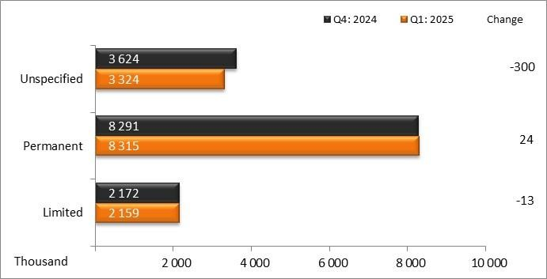
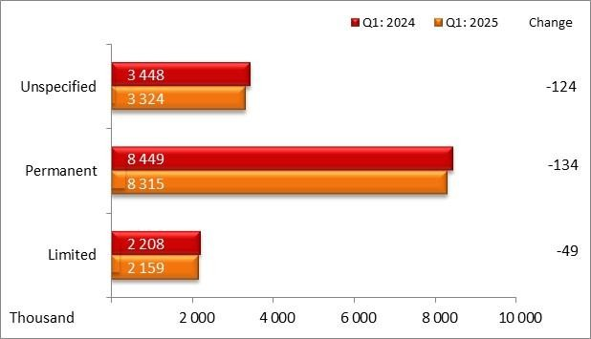
3.1 Conditions of employment for employees
Figure 5: Quarter-to-quarter changes in nature of employment contract | Figure 6: Year-on-year changes in nature of employment contract
Figures 5 and 6 show that the majority of employees had permanent employment contracts. Between the fourth quarter of 2024 and first quarter of 2025, the number of employees with contracts of a permanent nature increased by 24 000, while the number of employees with contracts of unspecified duration and those with contracts of limited duration decreased by 300 000 and 13 000 respectively.
Year-on-year comparisons indicated that the number of employees decreased among all natures of employment contracts. Those with contracts of a permanent nature decreased by 134 000, employees with contracts of an unspecified duration decreased by 124 000 and those with contracts of a limited duration decreased by 49 000.

4. Unemployment and not in employment, education or training (NEET)
4.1 Unemployment
There are two definitions of unemployment that are used: the official and the expanded definition of unemployment (refer to technical notes).

Figure 7: Quarter-to-quarter changes in unemployment, Q1: 2020 to Q1: 2025
Unemployed persons increased by 237 000 in Q1: 2025 following a decrease of 20 000 in the previous quarter. Notable from Figure 7 is that unemployment has always increased in the first quarter of each year except for a decline observed in 2022.

Table 7
Figure 8a: Unemployment rate by education level, Q4: 2024 and Q1: 2025 |  |  |  |  |  | Figure 8b: Unemployment rate by education level, Q1: 2024 and Q1: 2025
Due to rounding, numbers do not necessarily add up to totals.
Figures 8a and 8b illustrate the significant impact of education on mitigating a nation's unemployment rate. Possessing a tertiary education, especially a degree, enhances one's likelihood of securing employment. In Q1: 2025, individuals without matric recorded an unemployment rate of 39,0% (up by 0,8 of a percentage point), while graduates had a rate of 11,7% (up by 3,0 percentage points) compared with the previous quarter. Unemployment rates for those with matric or lower educational qualifications exceeded the national rate, whereas individuals with other tertiary qualifications and graduates had rates below the national unemployment rate. Year-on- year comparisons indicated that the unemployment rate decreased among all education levels, except for those with matric where it increased by 0,4 of a percentage point.
Table E: Unemployment rate by province
 | Official unemployment rate |  |  |  |  |  | Expanded unemployment rate
 | Jan-Mar 2024 | Oct-Dec 2024 | Jan-Mar 2025 | Qtr-to- qtr change | Year-on- year change |  | Jan-Mar 2024 | Oct-Dec 2024 | Jan-Mar 2025 | Qtr-to- qtr change | Year-on- year change
 | Per cent |  |  | Percentage points |  |  | Per cent |  |  | Percentage points
South Africa | 32.9 | 31.9 | 32.9 | 1.0 | 0.0 |  | 41.9 | 41.9 | 43.1 | 1.2 | 1.2
Western Cape | 21.4 | 19.6 | 19.6 | 0.0 | -1.8 |  | 26.1 | 24.8 | 24.7 | -0.1 | -1.4
Eastern Cape | 42.4 | 36.6 | 39.3 | 2.7 | -3.1 |  | 49.1 | 47.6 | 49.0 | 1.4 | -0.1
Northern Cape | 28.3 | 27.4 | 29.5 | 2.1 | 1.2 |  | 41.7 | 39.7 | 43.0 | 3.3 | 1.3
Free State | 38.0 | 37.9 | 37.9 | 0.0 | -0.1 |  | 45.1 | 44.2 | 44.8 | 0.6 | -0.3
KwaZulu-Natal | 29.9 | 28.6 | 32.3 | 3.7 | 2.4 |  | 43.7 | 44.7 | 46.9 | 2.2 | 3.2
North West | 40.5 | 41.3 | 40.4 | -0.9 | -0.1 |  | 53.6 | 52.8 | 56.0 | 3.2 | 2.4
Gauteng | 34.2 | 34.4 | 34.7 | 0.3 | 0.5 |  | 38.9 | 39.9 | 40.0 | 0.1 | 1.1
Mpumalanga | 36.2 | 34.7 | 35.4 | 0.7 | -0.8 |  | 47.0 | 47.2 | 49.3 | 2.1 | 2.3
Limpopo | 32.7 | 31.9 | 33.3 | 1.4 | 0.6 |  | 47.8 | 46.5 | 48.6 | 2.1 | 0.8
The official unemployment rate increased by 1,0 percentage point to 32,9% in Q1: 2025 compared with Q4: 2024. The official unemployment rate increased in six of the nine provinces. The largest increases were recorded in KwaZulu-Natal (3,7 percentage points), followed by Eastern Cape (2,7 percentage points) and Northern Cape (2,1 percentage points). A decrease in the unemployment rate was recorded only in North West (0,9 of a percentage point), while Western Cape and Free State remained unchanged.
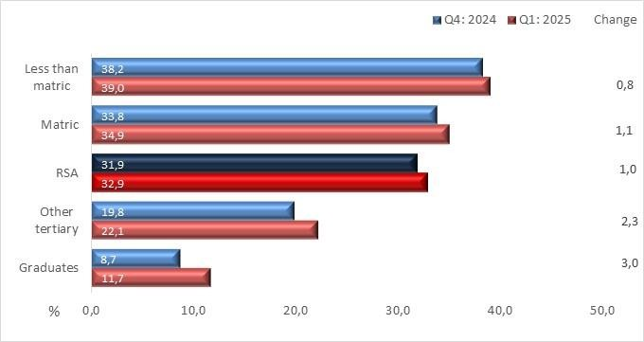 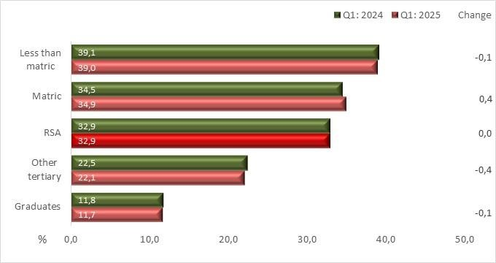
Year-on-year, the official unemployment rate remained unchanged. The official unemployment rate decreased in five provinces. The decreases in the unemployment rate were recorded in Eastern Cape (3,1 percentage points), followed by Western Cape (1,8 percentage points), Mpumalanga (0,8 of a percentage point), Free State and North West (0,1 of a percentage point each). The increases in the unemployment rate were recorded in KwaZulu-Natal (2,4 percentage points), Northern Cape (1,2 percentage points), Limpopo (0,6 of a percentage point) and Gauteng (0,5 of a percentage point).

Table 8

The expanded unemployment rate increased by 1,2 percentage points in Q1: 2025 compared with Q4: 2024. The expanded unemployment rate increased in all provinces except Western Cape, where it decreased by 0,1 of a percentage point. The largest increases were recorded in Northern Cape (3,3 percentage points), followed by North West (3,2 percentage points), KwaZulu-Natal (2,2 percentage points), Mpumalanga and Limpopo (2,1 percentage points each).
Compared with the same period last year, the expanded unemployment rate increased by 1,2 percentage points in Q1: 2025. Six out of the nine provinces recorded increases in the expanded unemployment rate. The largest increases in the expanded unemployment rate were recorded in KwaZulu-Natal (3,2 percentage points), followed by North West (2,4 percentage points) and Mpumalanga (2,3 percentage points). Decreases in the expanded unemployment rate were recorded in Western Cape (1,4 percentage points), Free State (0,3 of a percentage point) and Eastern Cape (0,1 of a percentage point).
4.2 Not in employment, education or training (NEET)
Some young people have been disengaged from the labour market, and they are also not building on their skills base through education and training – they are not in employment, education or training (NEET). The NEET rate serves as an important additional labour market indicator for young people.
Figure 9a: NEET rate for youth aged 15–24 years by sex | Figure 9b: NEET rate for youth aged 15–34 years by sex
There were about 10,3 million young people aged 15–24 years in Q1: 2025, of which 37,1% were not in employment, education or training. This is 1,6 percentage points higher than the NEET rate in Q1: 2024. In this age group, the NEET rate for females increased by 1,0 percentage point and for males it increased by 2,3 percentage points. The NEET rate for females was higher than that of their male counterparts in both years (Figure 9a).
Compared with Q1: 2024, the percentage of young persons aged 15–34 years who were NEET increased by 1,3 percentage points from 43,8% to 45,1% in Q1: 2025. The NEET rate for males increased by 1,2 percentage points, and for females the rate increased by 1,4 percentage points. In both Q1: 2024 and Q1: 2025, more than four in every ten young people were not in employment, education or training (Figure 9b).
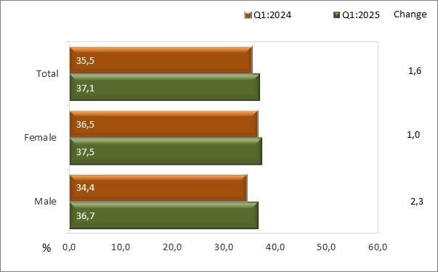 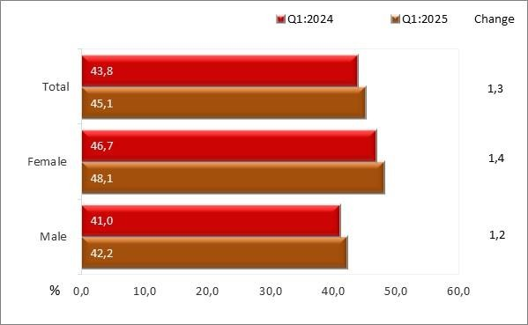
5. Summary of the labour market measures at a glance, Q1: 2025
Gauteng UR = 34,7% Limpopo EUR = 40,0% UR = 33,3% AR = 44,7% EUR = 48,6% LFPR = 68,4% AR = 36,5% LFPR = 54,8% Mpumalanga North West UR = 35,4% UR = 40,4% EUR = 49,3% EUR = 56,0% AR = 37,9% AR = 31,9% LFPR =58,6% LFPR = 52,2% Free State KwaZulu-Natal UR = 37,9% UR = 32,3% EUR = 44,8% EUR = 46,9% Northern Cape AR = 38,8% AR = 36,2% UR = 29,5% LFPR = 62,5% LFPR = 53,4% EUR = 43,0% AR = 40,6% LFPR = 57,5% Eastern Cape UR = 39,3% EUR = 49,0% AR = 29,9% Western Cape LFPR = 49,2% UR = 19,6% RSA EUR = 24,7% UR = 32,9% AR = 56,0% UR = Unemployment rate EUR = 43,1% LFPR = 69,6% EUR = Expanded unemployment rate AR = 40,3% AR = Absorption rate LFPR = 60,0% LFPR = Labour force participation rate

Risenga Maluleke Statistician-General
6. Other labour market trends
6.1 Year-on-year changes
Figure 10: Year-on-year changes in total employment, Q1: 2017 to Q1: 2025
Figure 11: Year-on-year changes in formal sector employment, Q1: 2017 to Q1: 2025
Figure 12: Year-on-year changes in informal sector employment, Q1: 2017 to Q1: 2025
6.2 Trends in the unemployment rate
Figure 13: Unemployment rate by sex, Q1: 2017 to Q1: 2025
Figure 14: Unemployment rate by education status, Q1: 2017 to Q1: 2025
7. The Quarterly Labour Force Survey (QLFS) and the Quarterly Employment Survey (QES)
Stats SA conducts two official sources of employment statistics surveys: QES (which is establishment-based) and QLFS (which is household-based). Each survey has its strengths and limitations. For example, QES cannot provide information on the following: • description of the employed, e.g. their demographic profile, education level, hours of work, etc.; and • unemployment and descriptors of the unemployed.
QLFS is a survey of households that collects information from approximately 30 000 dwelling units and collects data on the labour market activities of individuals, whereas QES is an enterprise-based survey that collects information from non-agricultural businesses and organisations from approximately 20 000 units. Numerous conceptual and methodological differences between the household- and enterprise-based surveys result in important distinctions in employment estimates derived from surveys. Among these are: • The household-based survey includes agricultural workers, self-employed workers whose businesses are unincorporated, unpaid family workers, and private household workers among the employed; these groups are excluded from the enterprise-based QES survey. • The household-based survey is limited to workers 15 years of age and older, whereas the enterprise-based survey is not limited by age. • The household-based survey has no duplication of individuals because individuals are counted only once, even if they hold more than one job. In the enterprise-based survey, employees working at more than one job and thus appearing on more than one payroll are counted separately for each appearance. • QLFS includes income tax, VAT and a number of employees in determining the formal sector, while QES surveys enterprises with only VAT with annual turnover greater than R300 000. • QLFS allows for proxy responses (a household member responding on behalf of the other). This can introduce misclassification of items, e.g. formal/informal classification. |  |  
 |  | 
Table F: Key differences between the QLFS and the QES

Table 9

 | QLFS | QES
Coverage | Private households and workers' hostels | Payroll of VAT-registered businesses
 | Non-institutional population (15 years and older) | Employees only
 | Total employment (including Informal sector, Private households, Agriculture and small businesses) | Formal sector, excluding Agriculture
Sample size | Quarterly sample of approximately 30 000 dwellings in which households reside | Quarterly sample of 20 000 non-agricultural formal- sector businesses
Reference period | One week prior to the interview | Payroll on the last day of the quarter
Standard Industrial Classification (SIC) | All industries | Excluding Agriculture and Private households
Formal sector definition (excluding Agriculture and Private households) | Employers and own-account workers registered for VAT or income tax | Employees on a payroll of VAT-registered businesses
 | Employees paying income tax and those not paying tax but working in firms with five or more workers
Figure 15: Formal sector (non-agricultural) employment trends in QLFS and QES, Q4: 2019 to Q4: 2024 (employees only)

